Network plots
Pill placebo
Exercise
Amitriptyline
Imipramine
Lofepramine
Any SSRI
Citalopram
Escitalopram
Fluoxetine
Sertraline
Mirtazapine
Short-term psychodynamic psychotherapy individual
Problem solving individual
CBT individual (over 15 sessions)
CBT group (under 15 sessions)
CBT individual (over 15 sessions) + imipramine
Problem solving individual + any SSRI
Short-term psychodynamic psychotherapy individual + any SSRI
Exercise + Sertraline
Network of interventions | Network of classes
Pill placebo
Exercise
TCA
SSRI
Mirtazapine
Short-term psychodynamic psychotherapies
Problem solving
Cognitive and cognitive behavioural therapies (individual)
Behavioural, cognitive, or CBT groups
Combined (Cognitive and cognitive behavioural
therapies individual + AD)
Combined (Problem solving + AD)
Combined (Short-term psychodynamic psychotherapies + AD)
Combined (Exercise + AD/CBT)

Model fit
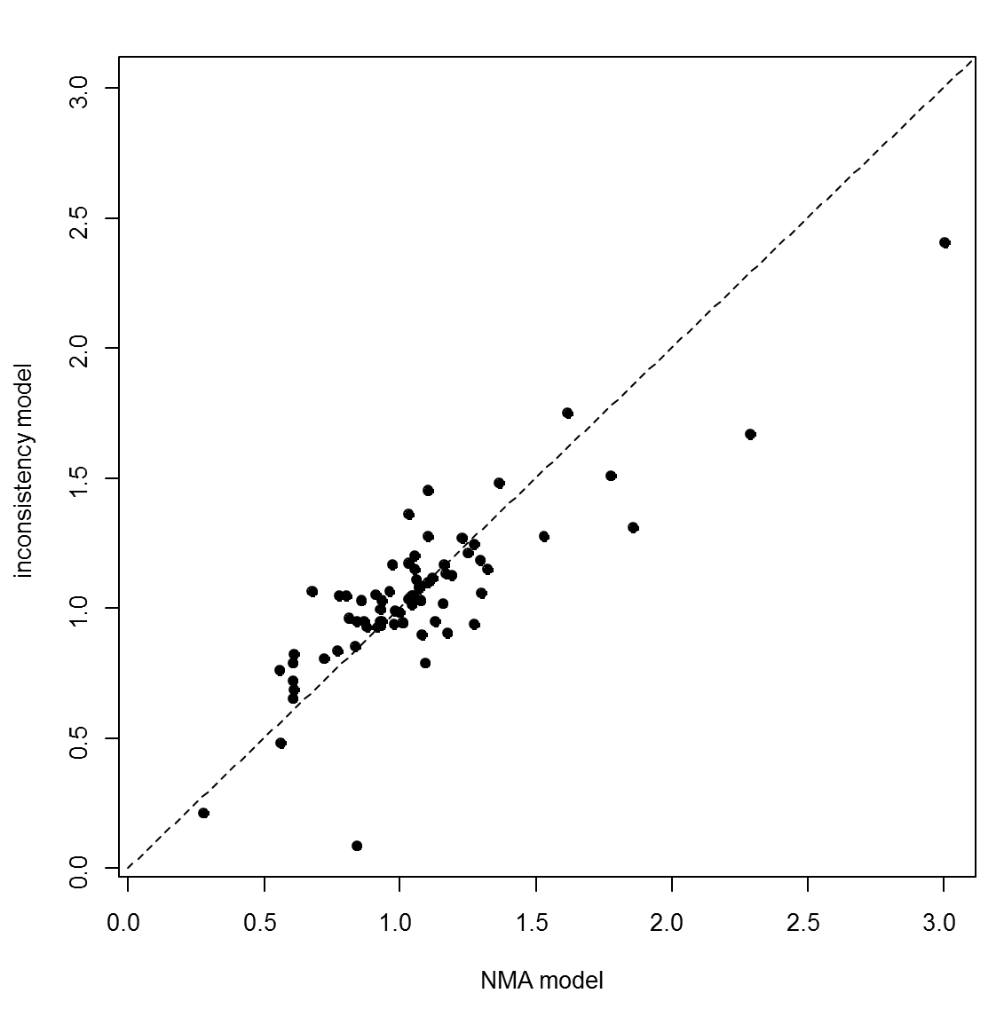
Model | SD | Totresdev | Datapoints | DIC | Deviance Plot
RE – random class effect | 0.56 (0.06, 1.12) | 77.23 | 73 | 339.013
RE – inconsistency | 0.60 (0.10, 1.25) | 76.5 | 73 | 342.5

