Network plots
Network of interventions | Network of classes
Pill placebo
Waitlist
No treatment
Attention placebo
Attention placebo + TAU
TAU
Enhanced TAU
Exercise
Exercise + TAU
Any TCA
Amitriptyline
Imipramine
Lofepramine
Any SSRI
Any SSRI + Enhanced TAU
Citalopram
Escitalopram
Fluoxetine
Sertraline
Any AD
Short-term psychodynamic psychotherapy individual
Short-term psychodynamic psychotherapy group
Computerised behavioural activation with support
Computerised psychodynamic therapy with support
Computerised-CBT (CCBT) with support
Computerised-CBT (CCBT) with support + TAU
Tailored computerised-CBT (CCBT) with support
Cognitive bibliotherapy
Cognitive bibliotherapy + TAU
Computerised-CBT (CCBT)
Computerised-CBT (CCBT) + TAU
Tailored computerised psychoeducation and self-help strategies
Psychoeducational group programme + TAU
Interpersonal psychotherapy (IPT)
Emotion-focused therapy (EFT)
Interpersonal counselling
Non-directive counselling
Psychodynamic counselling + TAU
Relational client-centered therapy
Problem solving individual
Problem solving individual + enhanced TAU
Behavioural activation (BA)
CBT individual (under 15 sessions)
CBT individual (over 15 sessions)
CBT individual (over 15 sessions) + TAU
Rational emotive behaviour therapy (REBT) individual
Third-wave cognitive therapy individual
CBT group (under 15 sessions)
CBT group (under 15 sessions) + TAU
Coping with Depression course (group) + TAU
CBT individual (over 15 sessions) + any TCA
CBT individual (over 15 sessions) + imipramine
CBT group (under 15 sessions) + imipramine
Problem solving individual + any SSRI
Supportive psychotherapy + any SSRI
Interpersonal psychotherapy (IPT) + any AD
Short-term psychodynamic psychotherapy individual + Any AD
Short-term psychodynamic psychotherapy individual + any SSRI
CBT individual (over 15 sessions) + Pill placebo
Exercise + Sertraline
Pill placebo
No treatment
Attention placebo
TAU
Exercise
TCA
SSRI
Any AD
Short-term psychodynamic psychotherapies
Self-help with support
Self-help
Psychoeducational interventions
Interpersonal psychotherapy (IPT)
Counselling
Problem solving
Behavioural therapies (individual)
Cognitive and cognitive behavioural therapies (individual)
Behavioural, cognitive, or CBT groups
Combined (Cognitive and cognitive behavioural
therapies individual + AD)
Combined (Behavioural, cognitive, or CBT groups + AD)
Combined (Problem solving + AD)
Combined (Counselling + AD)
Combined (IPT + AD)
Combined (Short-term psychodynamic psychotherapies + AD)
Combined (psych + placebo)
Combined (Exercise + AD/CBT)

Model fit
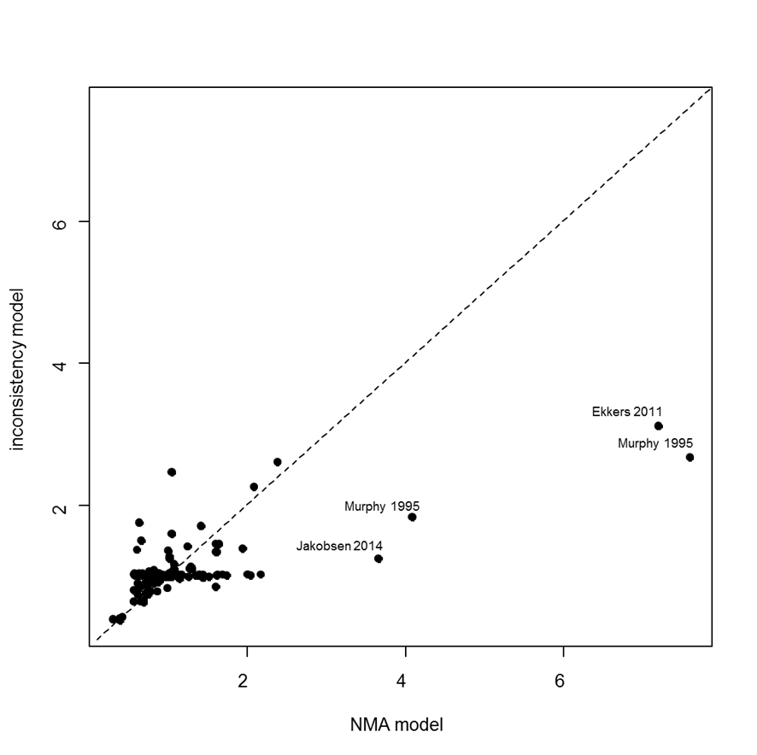
Model | SD | Totresdev | Datapoints | DIC | Deviance Plot
RE – random class effect | 0.20 (0.05, 0.40) | 184.8 | 167 | 974.658
RE – inconsistency | 0.16 (0.04, 0.45) | 176.2 | 167 | 1003.58

