Network plots
Network of interventions | Network of classes
Pill placebo
Waitlist
No treatment
Attention placebo
Attention placebo + TAU
TAU
Enhanced TAU
Exercise
Exercise + TAU
Internet-delivered therapist-guided physical activity
Any TCA
Amitriptyline
Imipramine
Lofepramine
Citalopram
Escitalopram
Fluoxetine
Sertraline
Any AD
Short-term psychodynamic psychotherapy individual
Cognitive bibliotherapy with support
Computerised behavioural activation with support
Computerised psychodynamic therapy with support
Computerised-CBT (CCBT) with support
Computerised-CBT (CCBT) with support + TAU
Cognitive bibliotherapy
Cognitive bibliotherapy + TAU
Computerised mindfulness intervention
Computerised-CBT (CCBT)
Online positive psychological intervention
Psychoeducational website
Tailored computerised psychoeducation and self-help strategies
Lifestyle factors discussion
Psychoeducational group programme
Psychoeducational group programme + TAU
Interpersonal psychotherapy (IPT)
Non-directive counselling
Wheel of wellness counselling
Problem solving individual + enhanced TAU
Behavioural activation (BA)
CBT individual (under 15 sessions)
CBT individual (under 15 sessions) + TAU
CBT individual (over 15 sessions)
CBT individual (over 15 sessions) + TAU
Rational emotive behaviour therapy (REBT) individual
Third-wave cognitive therapy individual
Third-wave cognitive therapy individual + TAU
CBT group (under 15 sessions)
CBT group (under 15 sessions) + TAU
Coping with Depression course (group)
Third-wave cognitive therapy group
Third-wave cognitive therapy group + TAU
CBT individual (over 15 sessions) + any TCA
CBT individual (over 15 sessions) + imipramine
Supportive psychotherapy + any SSRI
Interpersonal psychotherapy (IPT) + any AD
Short-term psychodynamic psychotherapy individual + Any AD
Short-term psychodynamic psychotherapy individual + any SSRI
CBT individual (over 15 sessions) + Pill placebo
Exercise + Sertraline
Cognitive bibliotherapy + escitalopram
Pill placebo
No treatment
Attention placebo
TAU
Exercise
TCA
SSRI
Any AD
Short-term psychodynamic psychotherapies
Self-help with support
Self-help
Psychoeducational interventions
Interpersonal psychotherapy (IPT)
Counselling
Problem solving
Behavioural therapies (individual)
Cognitive and cognitive behavioural therapies (individual)
Behavioural, cognitive, or CBT groups
Combined (Cognitive and cognitive behavioural
therapies individual + AD)
Combined (Counselling + AD)
Combined (IPT + AD)
Combined (Short-term psychodynamic psychotherapies + AD)
Combined (psych + placebo)
Combined (Exercise + AD/CBT)
Combined (Self-help + AD)

Model fit
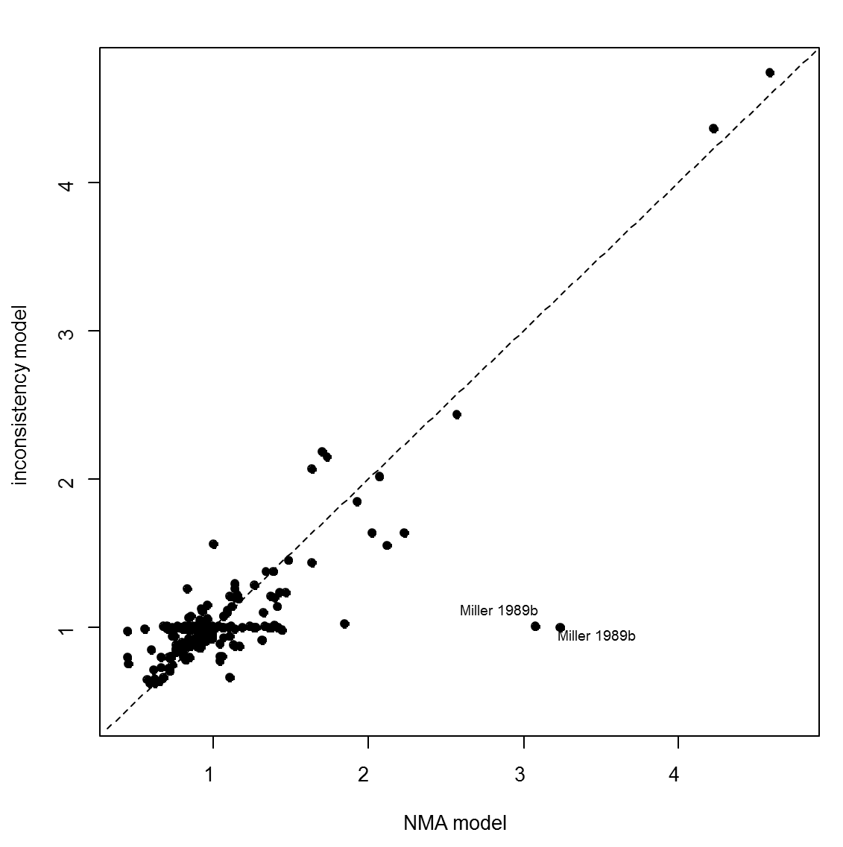
Model | SD | Totresdev | Datapoints | DIC | Deviance Plot
RE – random class effect | 0.23 (0.17, 0.30) | 263.2 | 254 | 984.225
RE – inconsistency | 0.23 (0.14, 0.33) | 263.6 | 254 | 1005.37
RE – random class effect: bias adjustment | 0.20 (0.13,0.28) | 256.7 | 254 | 981.305

