Network plots
Network of interventions | Network of classes
Pill placebo
Any TCA
Amitriptyline
Imipramine
Lofepramine
Citalopram
Escitalopram
Fluoxetine
Sertraline
Mirtazapine
CBT individual (under 15 sessions)
CBT individual (over 15 sessions)
CBT individual (under 15 sessions) + escitalopram
CBT individual (over 15 sessions) + amitriptyline
Pill placebo
TCA
SSRI
Mirtazapine
CBT/CT
CBT/CT+ AD

Model fit
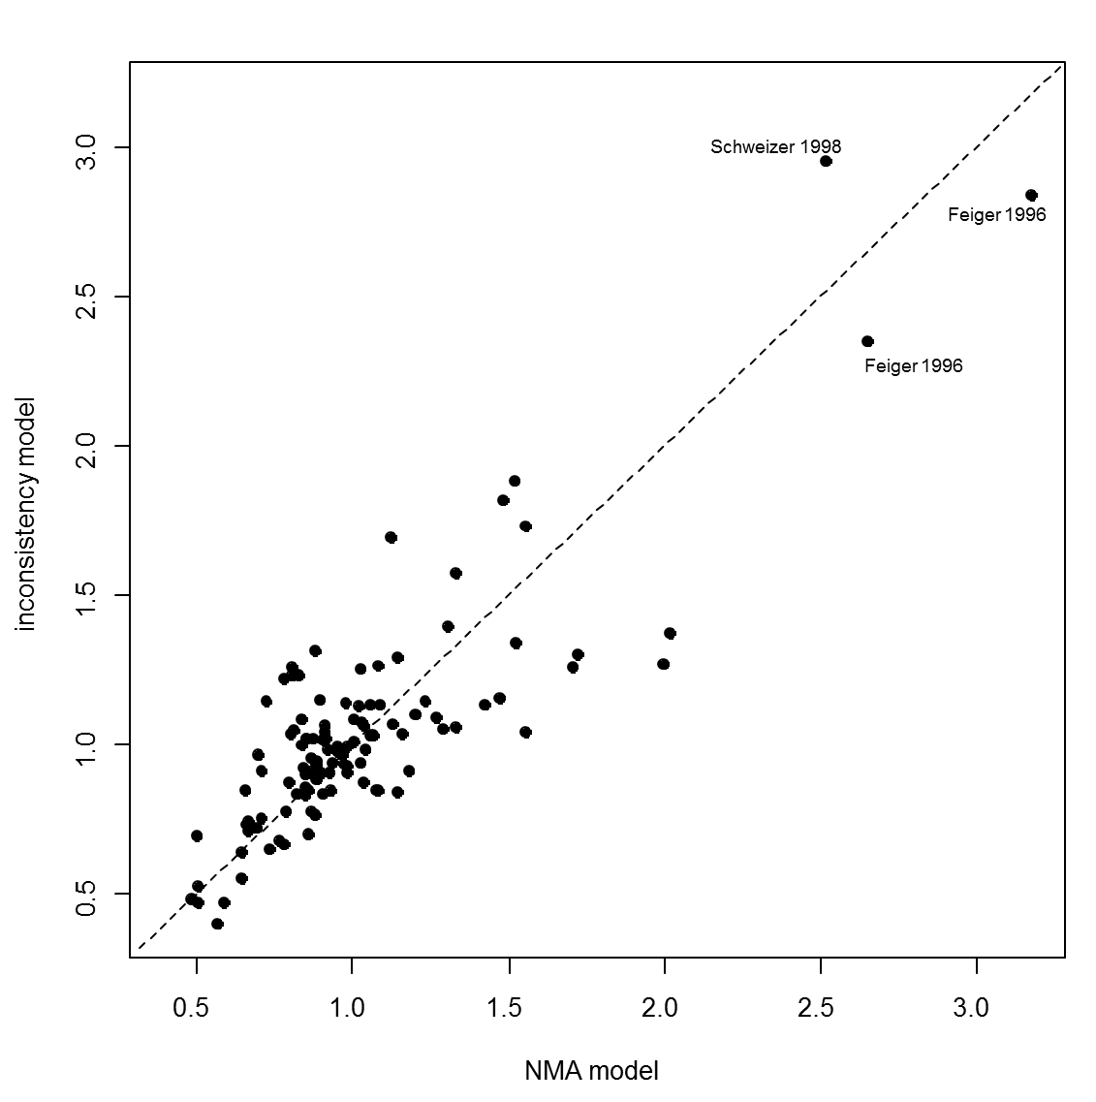
Model | SD | Totresdev | Datapoints | DIC | Deviance Plot
RE – random class effect | 0.78 (0.41 – 1.21) | 114 | 111 | 510.13
RE - inconsistency | 0.80 (0.31 - 1.34) | 115.8 | 111 | 514.67

