Network plots
Network of interventions | Network of classes
Pill placebo
Waitlist
TAU
Exercise + TAU
Any TCA
Amitriptyline
Imipramine
Citalopram
Escitalopram
Fluoxetine
Sertraline
Mirtazapine
Short-term psychodynamic psychotherapy individual + TAU
Long-term psychodynamic psychotherapy individual
Computerised-problem solving therapy with support
Computerised-CBT (CCBT)
Computerised-CBT (CCBT) + TAU
Computerised-problem solving therapy
Interpersonal psychotherapy (IPT)
Behavioural activation (BA)
Behavioural activation (BA) + TAU
CBT individual (under 15 sessions) + TAU
CBT individual (over 15 sessions)
CBT group (over 15 sessions) + TAU
CBT individual (under 15 sessions) + escitalopram
CBT individual (over 15 sessions) + amitriptyline
Short-term psychodynamic psychotherapy individual + any TCA
Long-term psychodynamic psychotherapy individual + fluoxetine
Pill placebo
No treatment
TAU
Exercise
TCA
SSRI
Mirtazapine
Short-term psychodynamic psychotherapies
Long-term psychodynamic psychotherapies
Self-help with support
Self-help
Interpersonal psychotherapy (IPT)
Behavioural therapies (individual)
Cognitive and cognitive behavioural
therapies (individual) [CBT/CT]
Behavioural, cognitive, or CBT groups
Combined (Cognitive and cognitive behavioural
therapies individual + AD)
Combined (Short-term psychodynamic psychotherapies + AD)
Combined (Long-term psychodynamic psychotherapies + AD)

Model fit
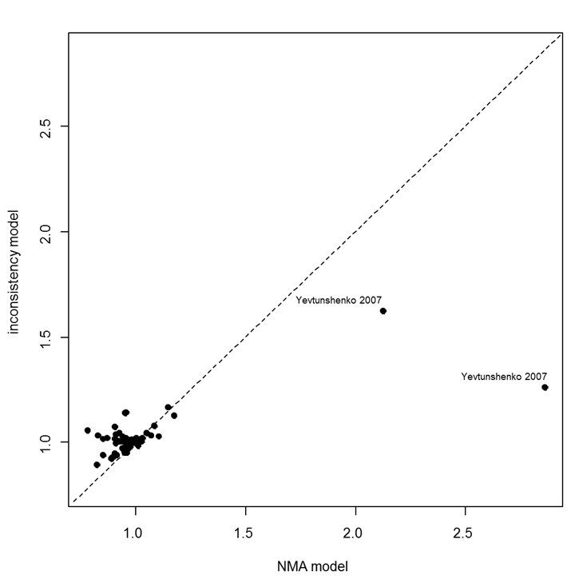
Model | SD | Totresdev | Datapoints | DIC | Deviance Plot
RE – random class effect | 0.62 (0.41, 0.95) | 75.6 | 77 | 480.094
RE - inconsistency | 0.75 (0.43, 1.43) | 76.5 | 77 | 484.881

